Master Data
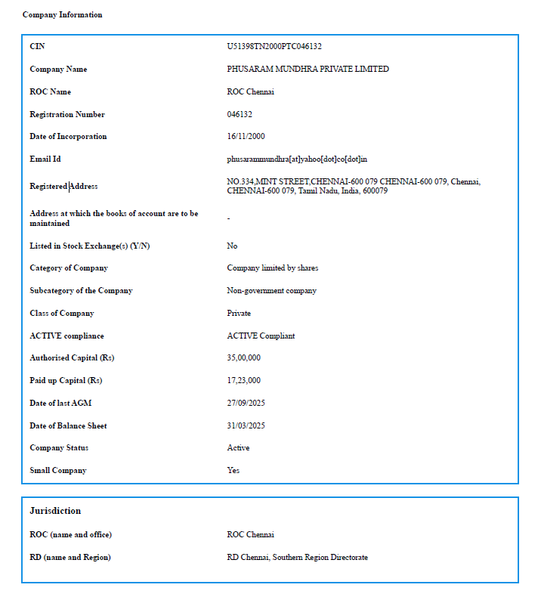
Company Master Data

View Signatory details
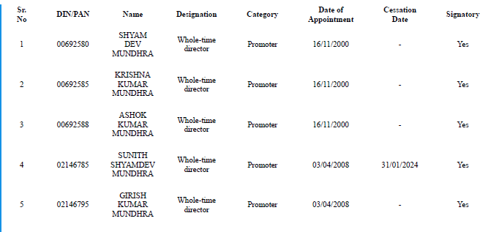
List of Signatories
DIN/DPIN/PAN | Full Name | Designation | Date of Appointment | Whether DSC Registered | Expiry Date of DSC | Surrendered DIN

DIN Details
